Sales
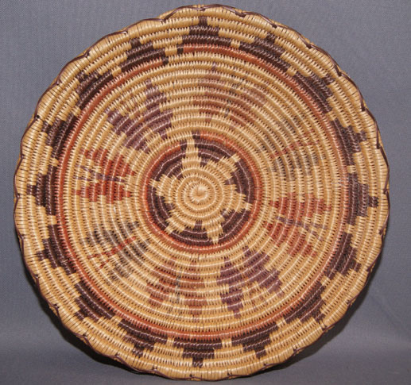 Location | April | May | June | July | August | Season Total
SLC Store | 50 | 1225 | 3612 | 3955 | 4536 | 13378
Park City Store | 0 | 752 | 3876 | 4365 | 5369 | 14362
Provo Store | 0 | 52 | 2578 | 3126 | 4135 | 9891
Ogden | 0 | 84 | 1677 | 2354 | 3266 | 7381
Overall Total | 50 | 2113 | 11743 | 13800 | 17306 | 45012

 |  |  |  |  |  |  |  | Values
 |  |  |  |  |  |  | Row Labels | Sum of April | Sum of May | Sum of June | Sum of July | Sum of August
 |  |  |  |  |  |  | Ogden | 0 | 84 | 1677 | 2354 | 3266
 |  |  |  |  |  |  | Overall Total | 50 | 2113 | 11743 | 13800 | 17306
 |  |  |  |  |  |  | Park City Store | 0 | 752 | 3876 | 4365 | 5369
 |  |  |  |  |  |  | Provo Store | 0 | 52 | 2578 | 3126 | 4135
 |  |  |  |  |  |  | SLC Store | 50 | 1225 | 3612 | 3955 | 4536
 |  |  |  |  |  |  | Grand Total | 100 | 4226 | 23486 | 27600 | 34612

Summary
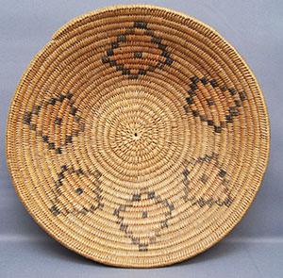
Our Prediction

The new souvenir line has performed well to date with support from targeted marketing campaigns, and we envision that it will continue to do so!

